1. Cover Page
Version | Date of Change | Description | Contributor(s) | Status
0.1 | 2026-05-14 | Initial Mapping - R11 | Accenture Data Products Team | Draft
0.2 | 2026-05-19 | Initial Mapping - R12 | Accenture Data Products Team | Draft

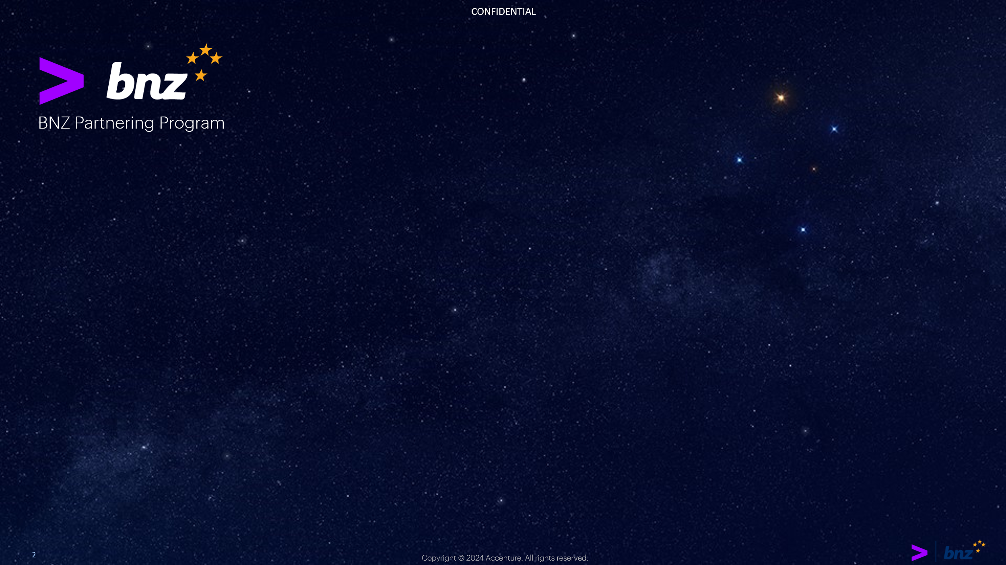

Data Products
BDH - Landing to Raw Mapping - Release 11 & 12 CE Home Loan
Date created: 14th May 2026

